Sheet1
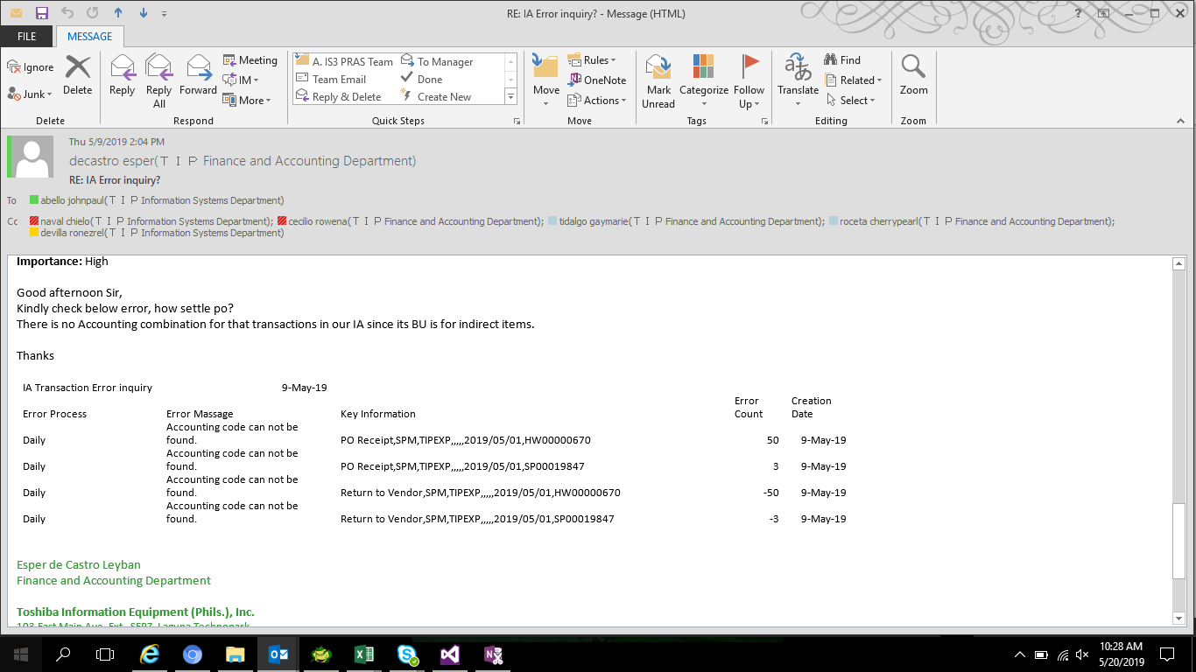

SELECT *
FROM xxia.ias_journal_error
WHERE error_key_inf LIKE '%SPM%'

LEDGER_NAME | ERROR_PROCESS | ERROR_COMMENT_KEY | ERROR_COUNT | ERROR_KEY_INF | CREATION_DATE | CREATED_BY | CANCEL_DATE
T090593_TIP_IFRS | Daily | IAS_ERROR005 | 50 | PO Receipt,SPM,TIPEXP,,,,,2019/05/01,HW00000670 | 5/20/19 | IASS0270
T090593_TIP_IFRS | Daily | IAS_ERROR005 | 3 | PO Receipt,SPM,TIPEXP,,,,,2019/05/01,SP00019847 | 5/20/19 | IASS0270
T090593_TIP_IFRS | Daily | IAS_ERROR005 | -50 | Return to Vendor,SPM,TIPEXP,,,,,2019/05/01,HW00000670 | 5/20/19 | IASS0270
T090593_TIP_IFRS | Daily | IAS_ERROR005 | -3 | Return to Vendor,SPM,TIPEXP,,,,,2019/05/01,SP00019847 | 5/20/19 | IASS0270

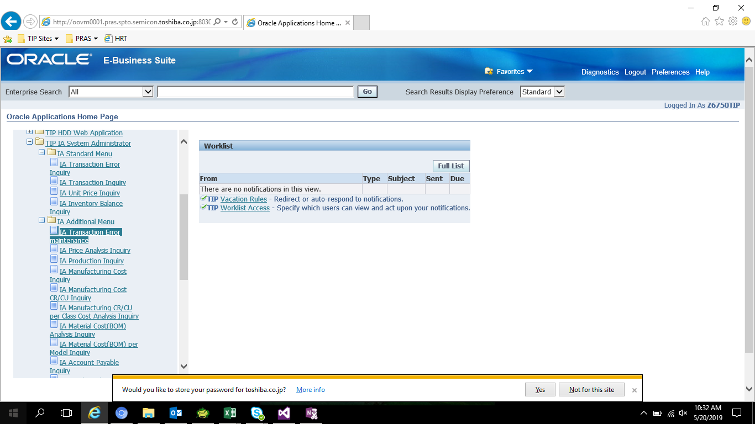

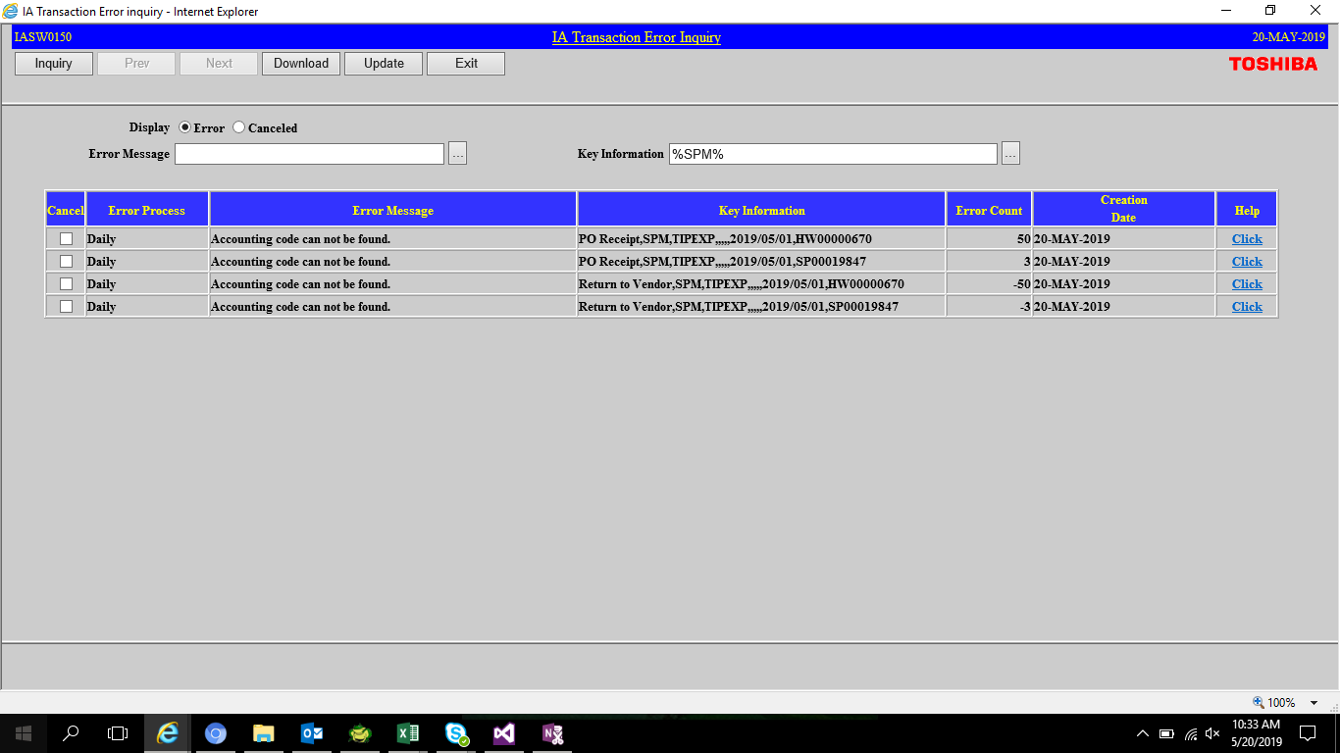

Tick Cancel Error



PRESS UPDATE
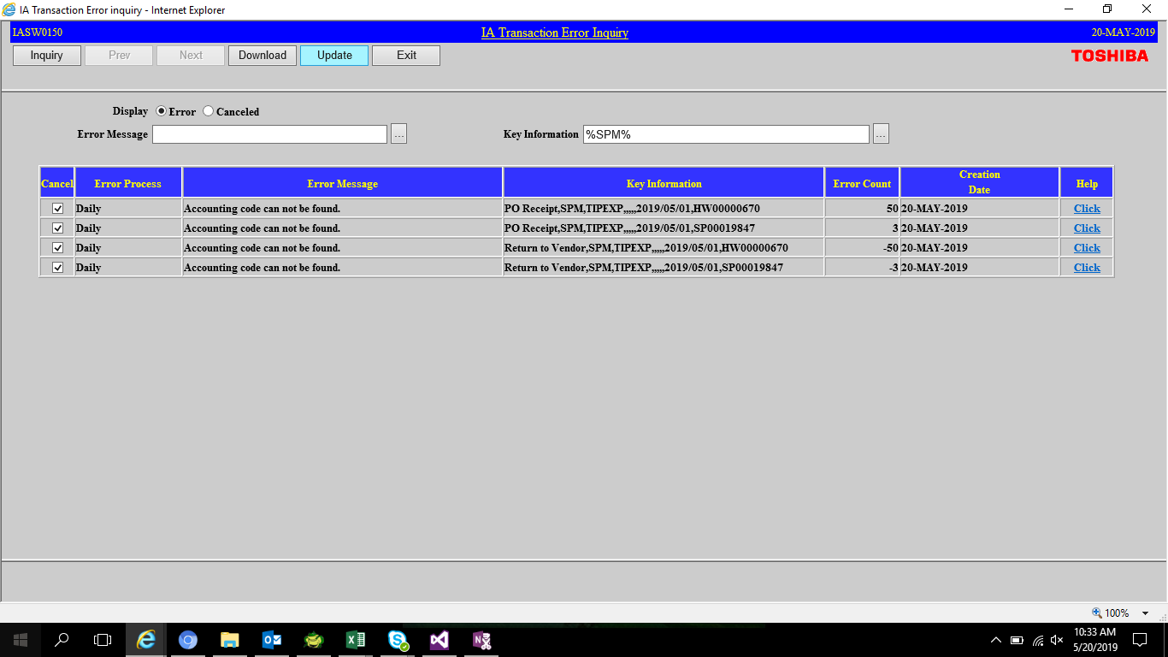

LEDGER_NAME | ERROR_PROCESS | ERROR_COMMENT_KEY | ERROR_COUNT | ERROR_KEY_INF | CREATION_DATE | CREATED_BY | CANCEL_DATE
T090593_TIP_IFRS | Daily | IAS_ERROR999 | 50 | 005:PO Receipt,SPM,TIPEXP,,,,,2019/05/01,HW00000670 | 5/20/19 | IASS0270 | 5/20/19
T090593_TIP_IFRS | Daily | IAS_ERROR999 | 3 | 005:PO Receipt,SPM,TIPEXP,,,,,2019/05/01,SP00019847 | 5/20/19 | IASS0270 | 5/20/19
T090593_TIP_IFRS | Daily | IAS_ERROR999 | -50 | 005:Return to Vendor,SPM,TIPEXP,,,,,2019/05/01,HW00000670 | 5/20/19 | IASS0270 | 5/20/19
T090593_TIP_IFRS | Daily | IAS_ERROR999 | -3 | 005:Return to Vendor,SPM,TIPEXP,,,,,2019/05/01,SP00019847 | 5/20/19 | IASS0270 | 5/20/19

